Cover Image
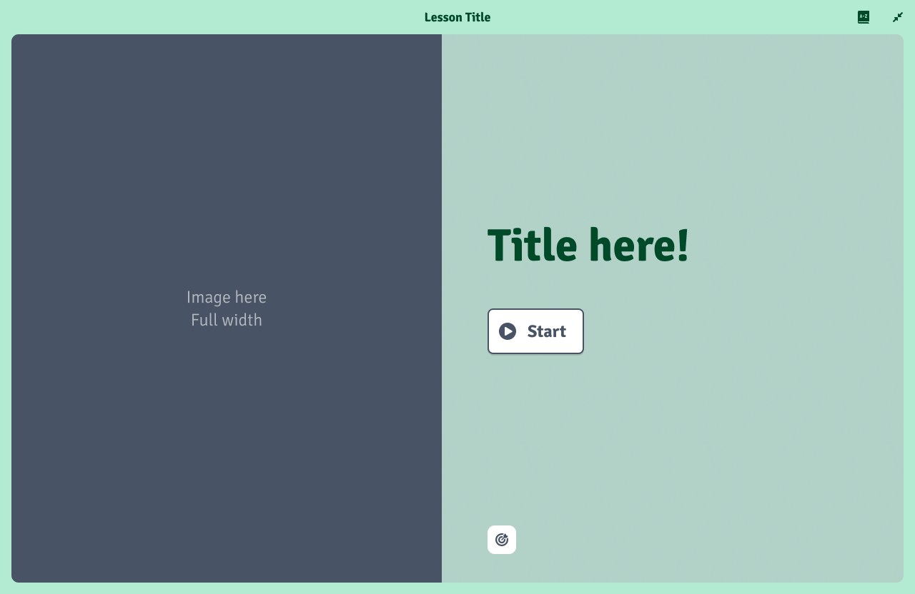
Safe are is on the left side of the image

